cxmq111测试问题714
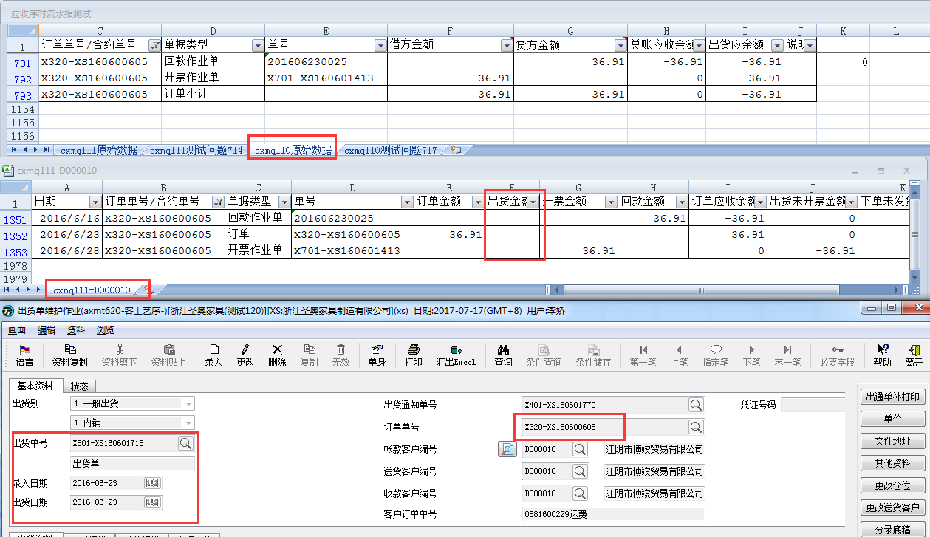
SA003 | CXM | 功能客制 | cxmp110 | 增加统计作业按客户+订单统计期初、本期、期末回款状况
SA011 | CXM | 报表需求 | cxmq110 cxmp120 | 1.从客户+订单角度按日期区间查看应收序时流水账 2.新增客户出货应收回款统计更新作业，从客户角度统计期初应收余额、本期新增应收、本期新增回款，并将期末数据结转到下个月期初
SA012 | CXM | 报表需求 | cxmq111 | 从客户+订单角度按日期区间从业务单据角度查看应收序时流水账

7.14测试问题
1、XS状态执行cxmp120出现如下提示：(8.3测试，XS库执行5、6、7月份还是以下提示，HN库执行6、7月份OK的）
执行此画面是有哪些规则限制吗？
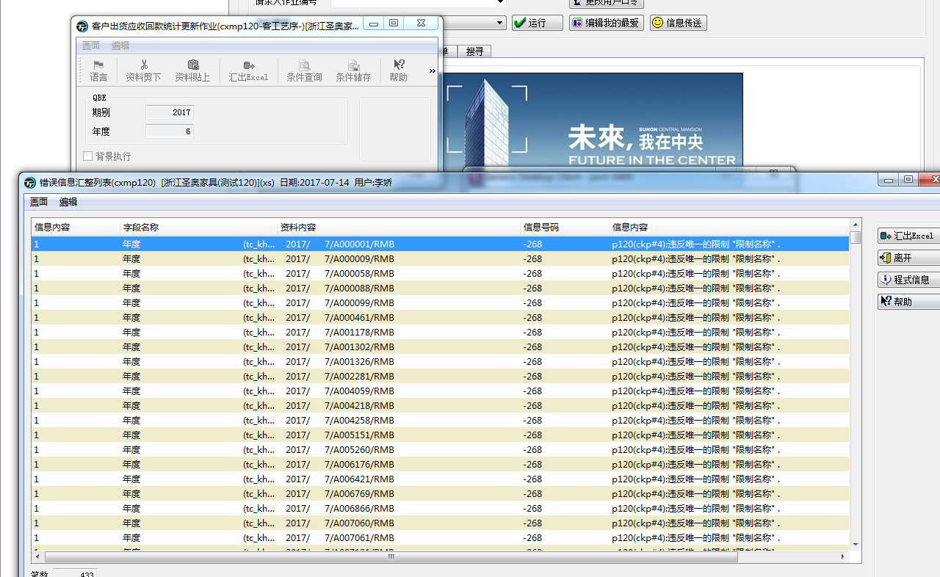

2、cxmq111订单单号/合约号应该是以订单进行统计，并非合同。（8.3测试未改）
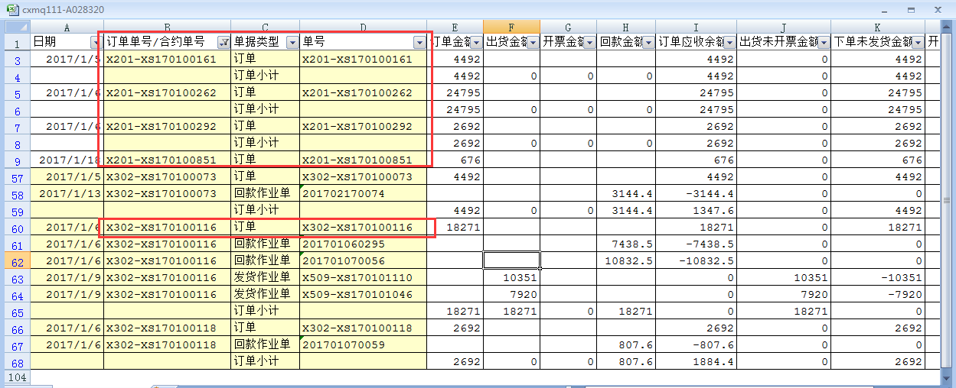

3、框起来的这几个金额，订单小计是对的，但是明细行里面的数据不对。比如订单应收余额，应该是“订单金额-订单已回款总金额” |  |  |  |  |  | （8.3测试未改）
X302-XS170100116，回款单201701060295，回款7438.5，订单应收余额应该是10832.5，
X302-XS170100116，回款单201701070056，回款10832.5，订单应收余额应该是0
X302-XS170100116下单未发货金额跟订单应收余额逻辑应该一样。
出货未开票金额=累计出货总金额-累计开票总金额
下单未发货金额=累计下单总金额-累计发货总金额
开票应收余额=累计开票总金额-累计回款总金额
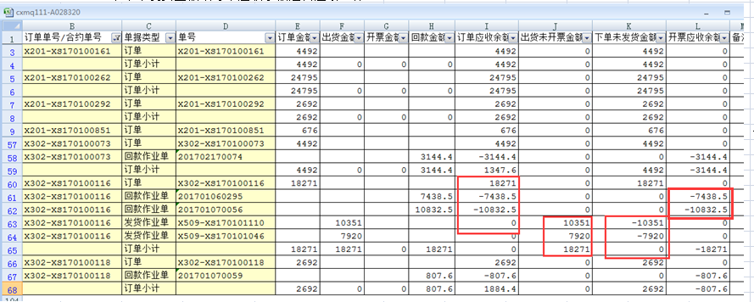

 |  |  |  |  |  | 以订单X302-XS170100116位例：
 |  |  |  |  |  | 订单应收余额 |  |  | 开票应收余额
 |  |  |  |  |  | 10832.5 |  |  | -7438.5
 |  |  |  |  |  | 0 | 出货未开票金额 | 下单未发货金额 | -18271
 |  |  |  |  |  |  | 10351 | 7920 | -18271
 |  |  |  |  |  |  | 18271 | 0
 |  |  |  |  |  |  | 18271 | 0

4、标红的数据有误。（8.3测试未改）
1月的累计额=年初余额+本期合计（1月），2月的累计额=1月累计额+本期合计（2月）

322154

5、cxmq111需增加一列：出货应收余额，计算逻辑“出货应收余额=出货金额-回款金额” |  |  |  |  | （8.3测试未改）
cxmq110虽有出货应收余额，但是计算来源无法直接看到。
cxmq111还需增加几列：开票应收余额=开票金额-回款金额，订单应收余额=订单金额-回款金额（8.4新增问题）

6、订单X320-XS160600605，在6月23日做出货，但是cxmq111没有出货单信息和金额，导致cxmq110出货应收余额不准确。（其他订单也有此情况)（8.3测试未改）
客户:D000010，日期区间：20160501-20160731，执行cxmq110和cxmq111对比出货应收余额。

cxmq110测试问题717
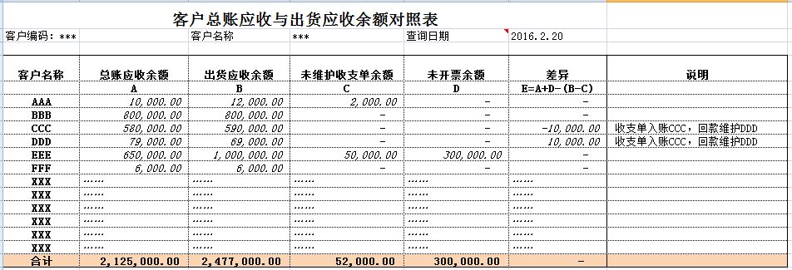
1、cxmq110借方/贷方金额取的科目是否是“112201应收账款-内销/112202 应收账款-外销/112204 应收账款-电商”这三个科目的值？

2、框起来的应该是收支单作业产生的收支单号。（8.3测试未改）

3、收支单需单独做一张报表（不要跟总账应收报表混在一起），能够看到收支单的详细信息。截图为用户部门提供的范本。

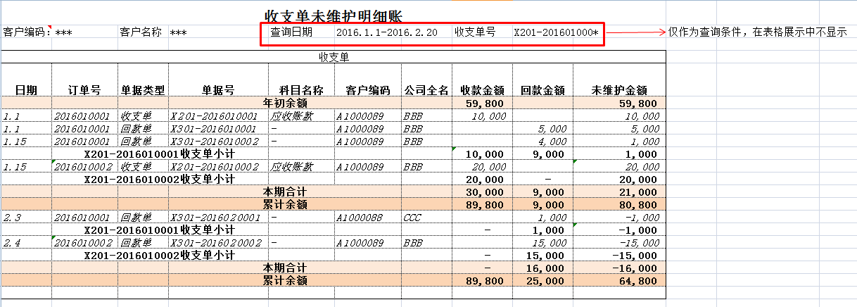

4、cxmq110总账应收与出货应收余额表，需增加三列：未维护收支单余额、未开票金额、差异、说明（收支单维护A，调账后，回款维护B），参考以下截图。（8.3新增问题）

